Assignment 1
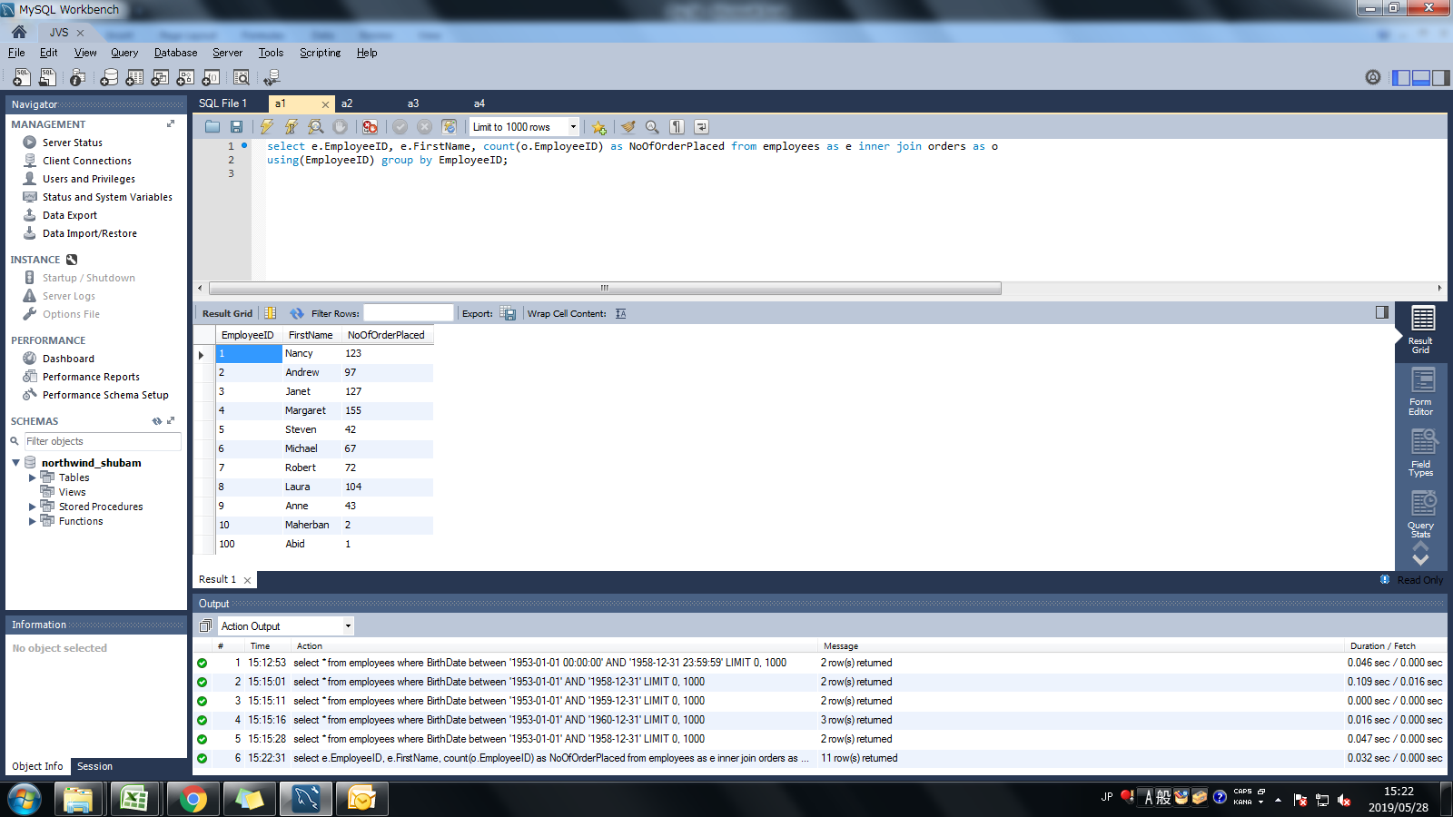
Assignment: | Display output as follows. Use Inner Join

Query: | select e.EmployeeID, e.FirstName, count(o.EmployeeID) as NoOfOrderPlaced from employees as e inner join orders as o using(EmployeeID) group by EmployeeID;

Screen Shoot:

Assignment 2
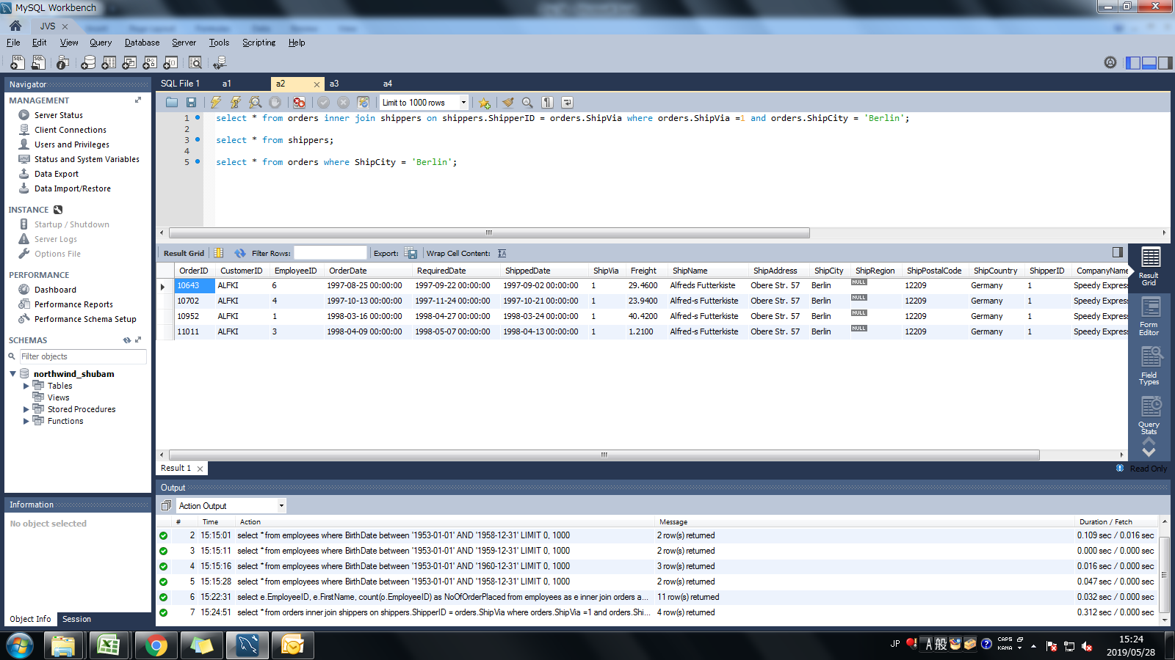
Assignment: | Get all the Orders shipped by Speedy Express and customers at berlin city.

Query: | select * from orders inner join shippers on shippers.ShipperID = orders.ShipVia where orders.ShipVia =1 and orders.ShipCity = 'Berlin';

Screen Shoot:

Assignment 3
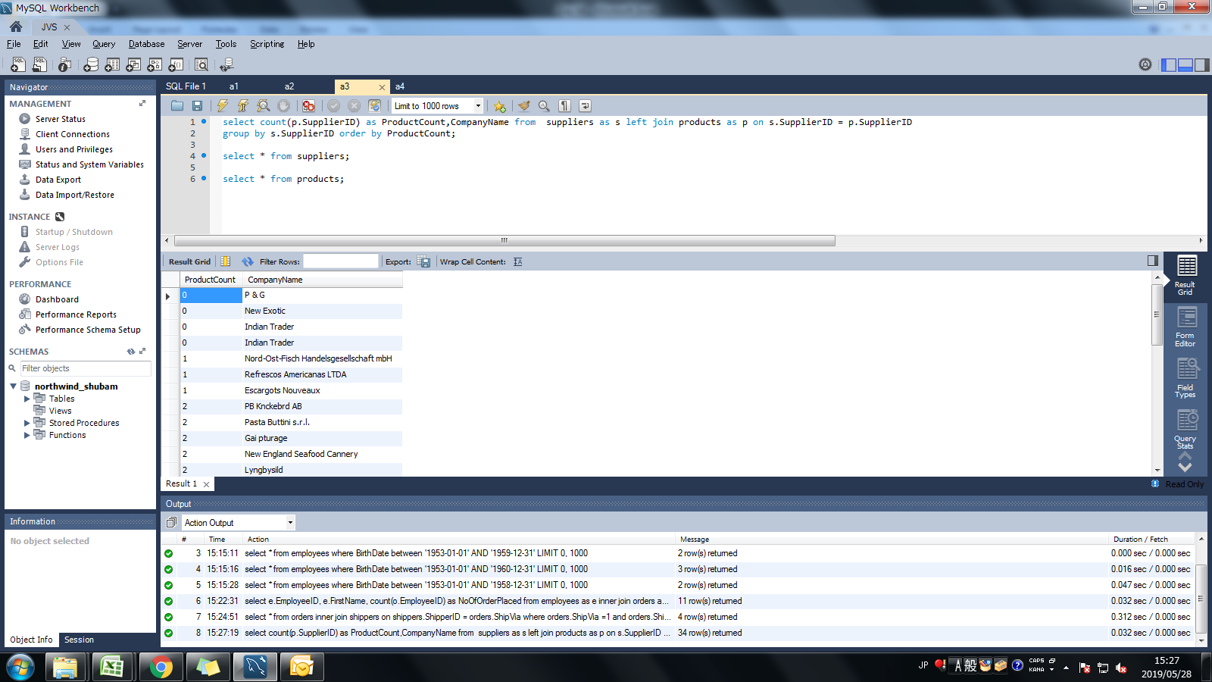
Assignment: | Get Supplier name and display count of product for which supplier is responsible.Table Use : Products, Supplier
 | Use Left Outer Join

Query: | select count(p.SupplierID) as ProductCount,CompanyName from suppliers as s left join products as p on s.SupplierID = p.SupplierID group by s.SupplierID order by ProductCount;

Screen Shoot:

Assignment 4
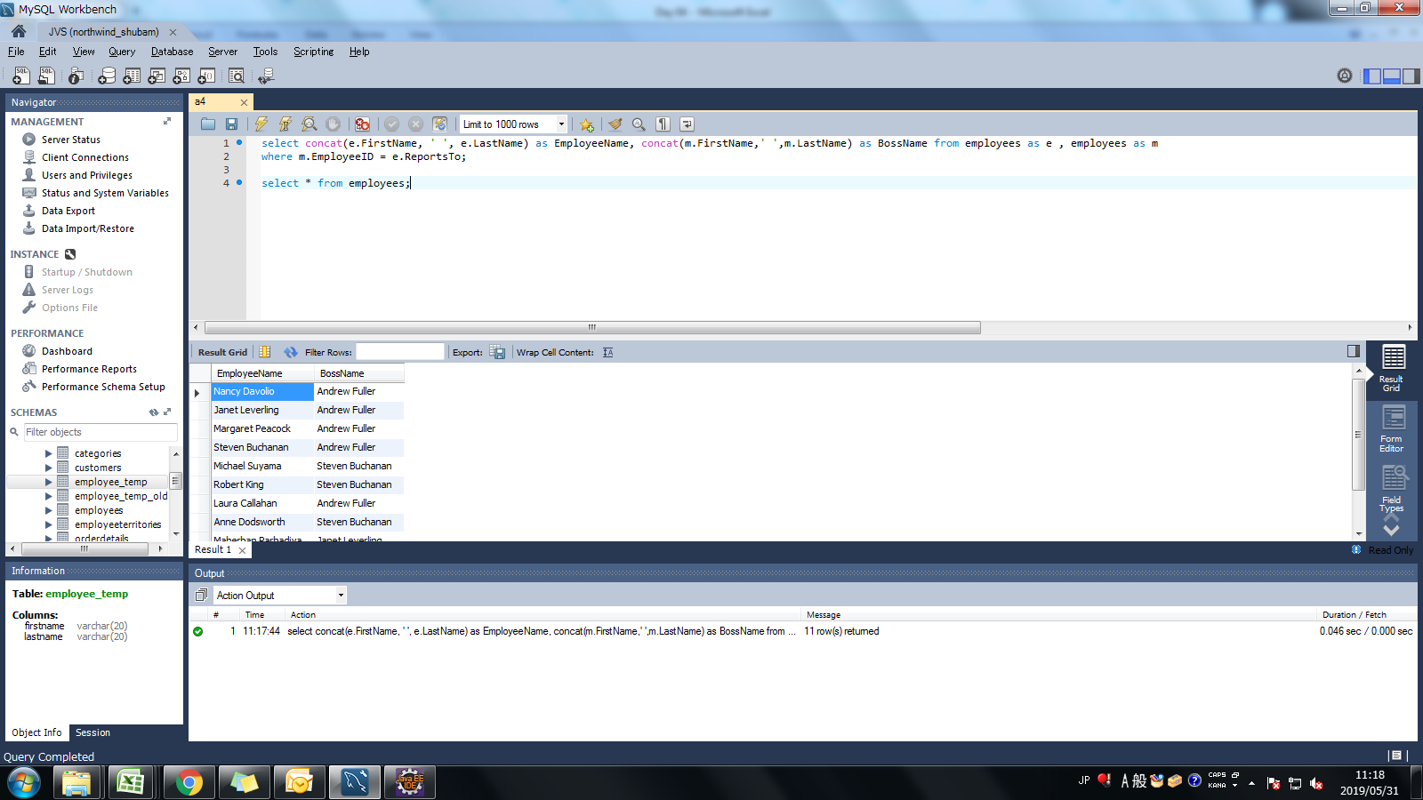
Assignment: | Retrieve a list of employees and Name of the person that employee is reporting.
 | Display as follows.
 | Use Table : Employees
 | Self Join

Query: | select concat(e.FirstName, ' ', e.LastName) as EmployeeName, concat(m.FirstName,' ',m.LastName) as BossName from employees as e , employees as m where m.EmployeeID = e.ReportsTo;

Screen Shoot:

